DDQ tab after survey completed
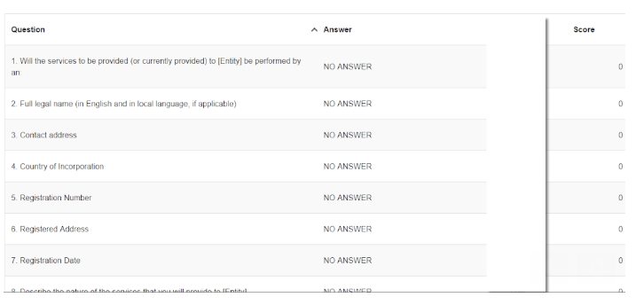
Please make sure the tab looks like this once the DDQ is completed.

